Analysis
Top 5 States with the Most Number of Data Science Related Jobs
Sal by States
Row Labels | Sum of Count
California | 31
Virginia | 23
Maryland | 14
Massachusetts | 11
Texas | 6
Grand Total | 85

Sal by Size
Row Labels | Sum of Avg Min Size | Sum of Avg Max SIze |  | Row Labels | Sum of Avg Min Size | Sum of Avg Max SIze
1001 to 5000 employees | 101052.63 | 153657.89 |  | 1001 to 5000 employees | 101,052.63 | 153,657.89
Grand Total | 101052.63 | 153657.89 |  | Grand Total | 101,052.63 | 153,657.89
 |  |  |  | 0 | 0.00 | 0.00
 |  |  |  | 0 | 0.00 | 0.00
 |  |  |  | 0 | 0.00 | 0.00
Average Max Salary Per Company Size
 | Sum of Avg Min Size | Sum of Avg Max SIze
1 to 50 employees | 162000 | 223500
1001 to 5000 employees | 101052.63 | 153657.89
5001 to 10000 employees | 105473.68 | 147894.74
501 to 1000 employees | 101473.68 | 144368.42
201 to 500 employees | 83266.67 | 126000
 |  |  |  | 0 | 0.00 | 0.00

Sal by Role
Row Labels | Sum of Avg Max Sal | Sum of Avg Min Sal |  | Row Labels | Sum of Avg Max Sal | Sum of Avg Min Sal
other | $147,565.22 | $100,695.65 |  | other | $147,565.22 | $100,695.65
Grand Total | $147,565.22 | $100,695.65 |  | Grand Total | $147,565.22 | $100,695.65
 |  |  |  | 0 | $0.00 | $0.00
 |  |  |  | 0 | $0.00 | $0.00
 |  |  |  | 0 | $0.00 | $0.00
 |  |  |  | 0 | $0.00 | $0.00
Mix and Max Salary per Job Role
 | Sum of Avg Max Sal | Sum of Avg Min Sal
Data Scientist | 149578.3133 | 99337.3494
other | 147565.2174 | 100695.6522
Data Analyst | 146875 | 95062.5
Machine Learning Engineer | 144285.7143 | 93857.1429
Data Engineer | 119571.4286 | 85571.4286

 | Row Labels | Sum of Lowest Employed | Sum of Highest Employed
 | Aerospace & Defense | 3,023 | 4,313 | Finance Media Oil, Gas, Energy & Utilities
 | Biotech & Pharmaceuticals | 7,174 | 2,714
 | Business Services | 2,255 | 3,165
 | Finance | 1,001 | 5,000
 | Government | 5,201 | 8,750
 | Health Care | 3,401 | 6,833
 | Information Technology | 3,462 | 3,113
 | Insurance | 5,938 | 5,250
 | Manufacturing | 4,443 | 625
 | Media | 1,001 | 5,000
 | Oil, Gas, Energy & Utilities | 1,001 | 5,000
Minimum and Maximum Sector by Size
 | Grand Total | 37,900 | 49,763

 | Sector by Sal
 | Row Labels | Sum of Avg Min Sal | Sum of Avg Max Sal
 | Aerospace & Defense | $87,777.78 | $130,111.11
 | Agriculture & Forestry | $74,000.00 | $131,500.00
 | Biotech & Pharmaceuticals | $98,695.65 | $151,652.17
 | Business Services | $103,296.30 | $154,148.15
 | Finance | $100,000.00 | $148,500.00
 | Government | $117,000.00 | $155,200.00
 | Health Care | $100,000.00 | $151,333.33
 | Information Technology | $95,813.95 | $143,325.58
 | Insurance | $97,625.00 | $147,250.00
 | Manufacturing | $96,285.71 | $149,285.71
 | Media | $141,000.00 | $225,000.00
 | Oil, Gas, Energy & Utilities | $94,666.67 | $139,333.33
Minimum and Maximum Sector by Salary
 | Retail | $95,000.00 | $119,000.00
 | Telecommunications | $71,000.00 | $123,000.00
 | Transportation & Logistics | $90,000.00 | $124,000.00
 | Grand Total | $1,462,161.06 | $2,192,639.40

Dashboard
US DATA SCIENCE JOB POSTING DASHBOARD

STATE WITH THE MOST NUMBER OF
DATA SCIENCE JOBS
JOB ROLE WITH THE HIGHEST AVERAGE SALARY
COMPANY SIZE THAT PAYS THE HIGHEST

California
31
other
$147,565.22
1001 to 5000 employees
153,657.89

Average Max Salary Per Company Size
 | Sum of Avg Min Size | Sum of Avg Max SIze
1 to 50 employees | 162000 | 223500
1001 to 5000 employees | 101052.63 | 153657.89
5001 to 10000 employees | 105473.68 | 147894.74
501 to 1000 employees | 101473.68 | 144368.42
201 to 500 employees | 83266.67 | 126000
Mix and Max Salary per Job Role
 | Sum of Avg Max Sal | Sum of Avg Min Sal
Data Scientist | 149578.3133 | 99337.3494
other | 147565.2174 | 100695.6522
Data Analyst | 146875 | 95062.5
Machine Learning Engineer | 144285.7143 | 93857.1429
Data Engineer | 119571.4286 | 85571.4286

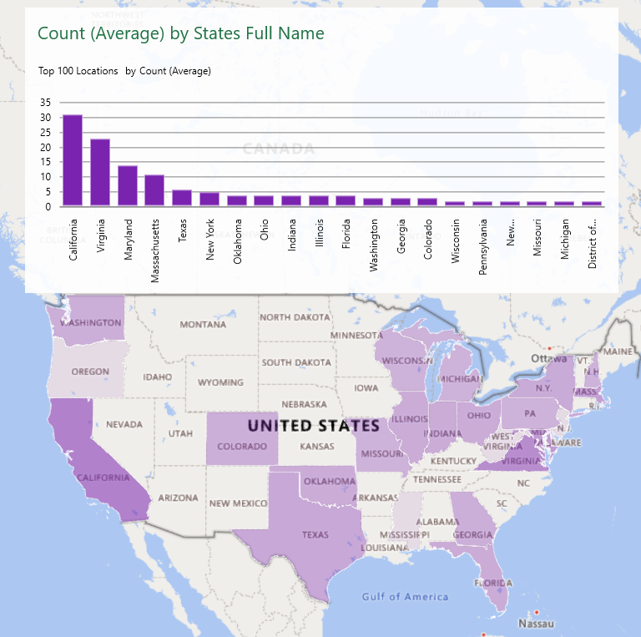

Top 5 States with the Most Number of Data Science Related Jobs
 | Total
California | 31
Virginia | 23
Maryland | 14
Massachusetts | 11
Texas | 6

US DATA SCIENCE JOB POSTING DASHBOARD

WHICH SECTOR HAS THE MINIMUM AVERAGE SALARY AND MAXIMUM AVERAGE SALARY
SECTOR WITH THE LOWEST DATA SCIENCE-RELATED JOBS
SECTOR WITH THE HIGHEST DATA SCIENCE-RELATED JOBS

Finance Media Oil, Gas, Energy & Utilities
1,001
Government
8,750
Telecommunications
$71,000.00
$123,000.00

Minimum and Maximum Sector by Size
 | Sum of Lowest Employed | Sum of Highest Employed
Aerospace & Defense | 3,023 | 4,313
Biotech & Pharmaceuticals | 7,174 | 2,714
Business Services | 2,255 | 3,165
Finance | 1,001 | 5,000
Government | 5,201 | 8,750
Health Care | 3,401 | 6,833
Information Technology | 3,462 | 3,113
Insurance | 5,938 | 5,250
Manufacturing | 4,443 | 625
Media | 1,001 | 5,000
Oil, Gas, Energy & Utilities | 1,001 | 5,000

Minimum and Maximum Sector by Salary
 | Sum of Avg Min Sal | Sum of Avg Max Sal
Aerospace & Defense | $87,777.78 | $130,111.11
Agriculture & Forestry | $74,000.00 | $131,500.00
Biotech & Pharmaceuticals | $98,695.65 | $151,652.17
Business Services | $103,296.30 | $154,148.15
Finance | $100,000.00 | $148,500.00
Government | $117,000.00 | $155,200.00
Health Care | $100,000.00 | $151,333.33
Information Technology | $95,813.95 | $143,325.58
Insurance | $97,625.00 | $147,250.00
Manufacturing | $96,285.71 | $149,285.71
Media | $141,000.00 | $225,000.00
Oil, Gas, Energy & Utilities | $94,666.67 | $139,333.33
Retail | $95,000.00 | $119,000.00
Telecommunications | $71,000.00 | $123,000.00
Transportation & Logistics | $90,000.00 | $124,000.00

